Sheet1
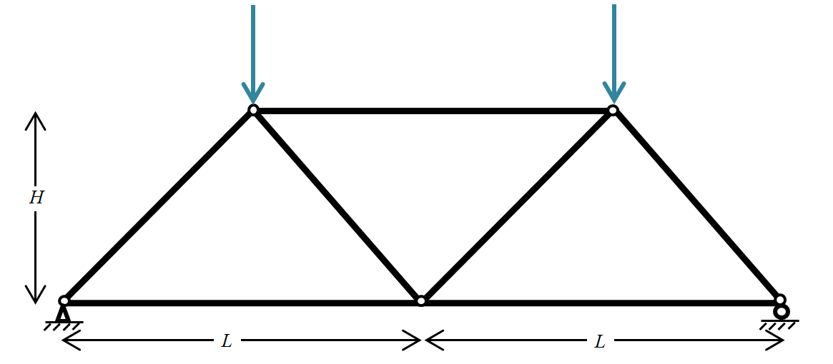
Input:
Applied Force | 200 | N
Span | 20 | m
Height | 8 | m

Output:
Ө: | 58.0 | ⁰
Ax: | 0 | N
Ay: | 100 | N
Ey: | 100 | N

Member Forces: |  |  | Tension/Compression
AB: | -117.9 | N | C
AC: | 62.5 | N | T
DE: | -117.9 | N | C
CE: | 62.5 | N | T
BC: | 0.0 | N | None
CD: | 0.0 | N | None
BD: | -62.5 | N | C

